Exploratory Data Analysis
32193430 이재원 | 미국 유학을 준비하고 있어 영어로 문서를 작성 하였습니다.
 | 양해 부탁드립니다.
1. Whole data
891 rows × 13 columns

2. Data information
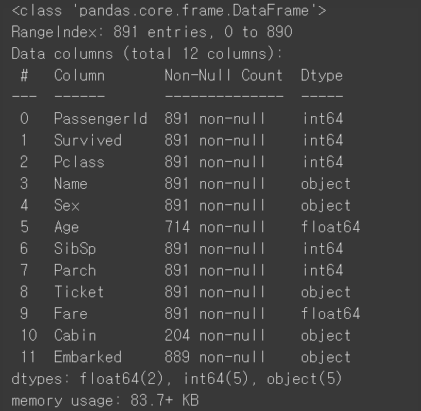

3. Explanation of main factors
• Survived: Label |  |  | • PClass: The socioeconomic status
0 = Not survived | 0.616162 |  | First class passengers have higher surviving rate.
1 = Survived | 0.383838 |  | 1 = Upper | 0.62963
 |  |  | 2 = Middle | 0.472826
 |  |  | 3 = Lower | 0.242363
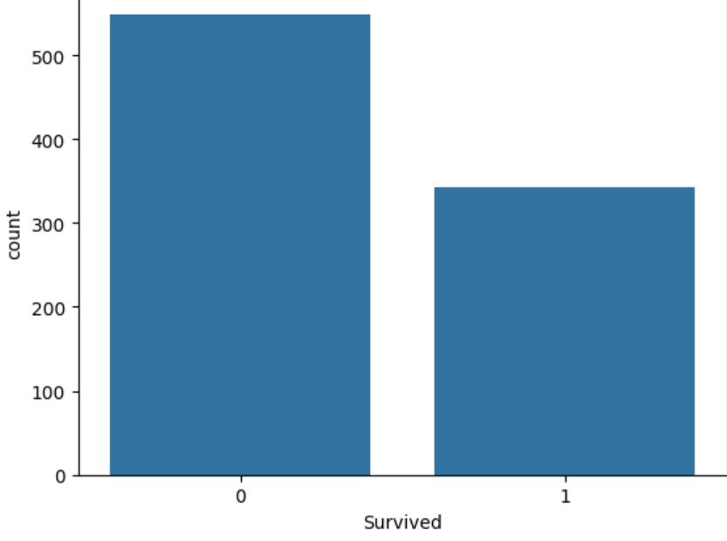
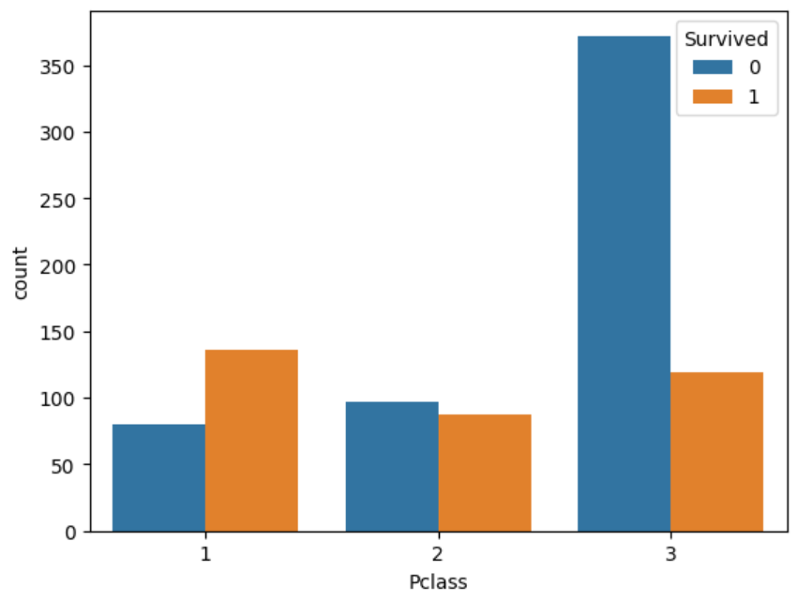

• Age |  |  | • Sex
Many passengers aged between 20 and 40 survived. |  |  | There is a link between sex and surviving.
 |  |  | female | 0.742038
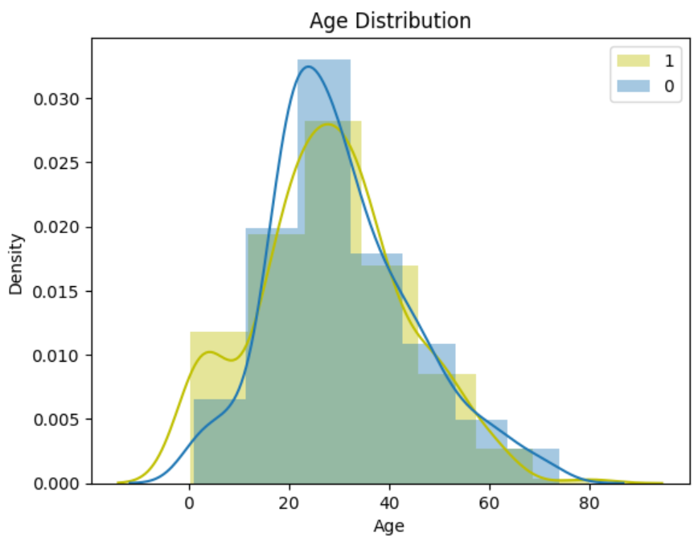
 |  |  | male | 0.188908
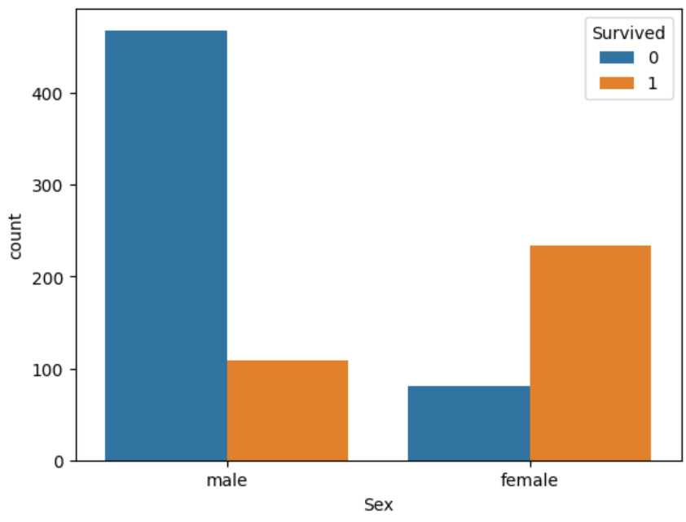

• SibSp & Parch |  |  | • Fare
Apparently, family size is important to survive. |  | I grouped by family size. | There is a correlation of 0.257 between fare prices and survival rate.
A small family has high survival rate.
Family Size = SibSp + Parch |  | big family = family size > 3 |  | Survived
SibSp = Sibling and Spouse number |  | small family = 0<family size<=3 | Fare | 0.257307
Parch = Parent and Children number |  | alone = family size == 0 | Pclass | -0.338481
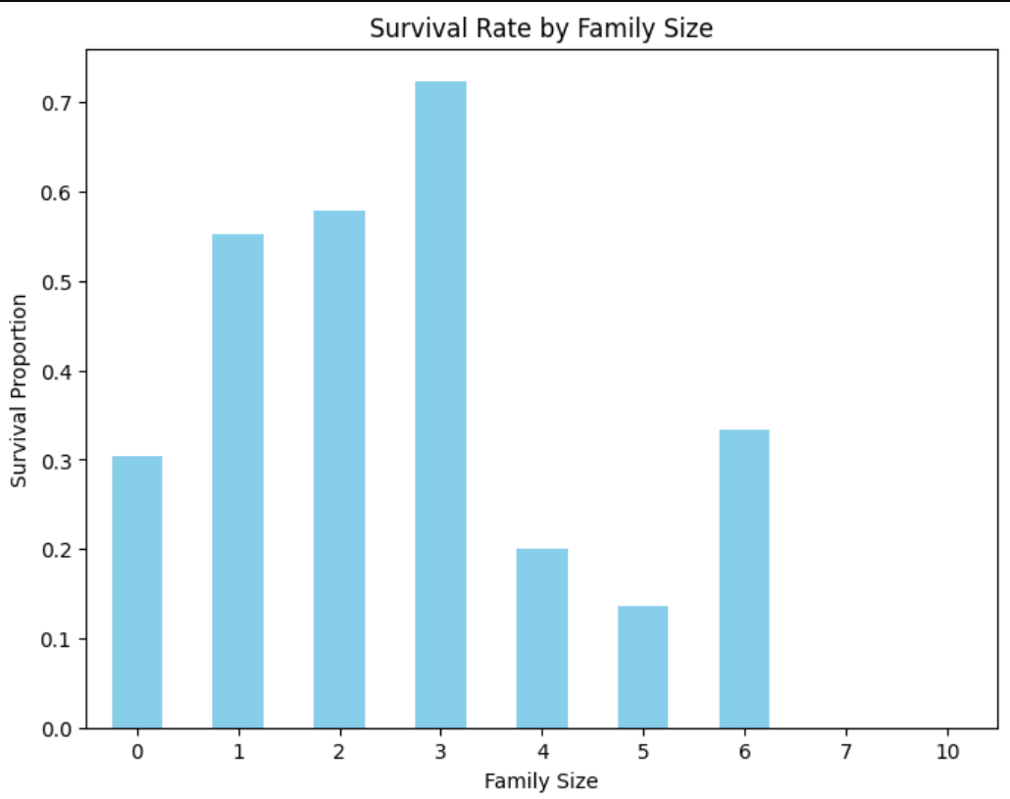
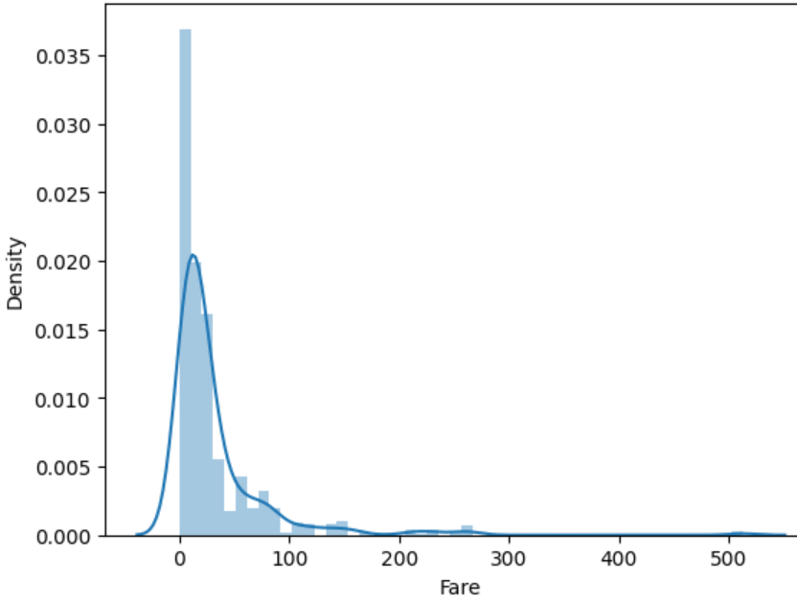

• Embarked |  |  | • Cabin
Embarked is a categorical features which shows us the port of embarkation. |  |  | The figure shows us the most affacted parts of the Titanic and the Cabin locations.
Many passengers who embarked at Cherbourg survived. |  |  | However, there are a lot of missing values in Cabin column.
C = Cherbourg |  |  | So, I decided to extract the Cabin information.
Q = Queenstown
S = Southampton

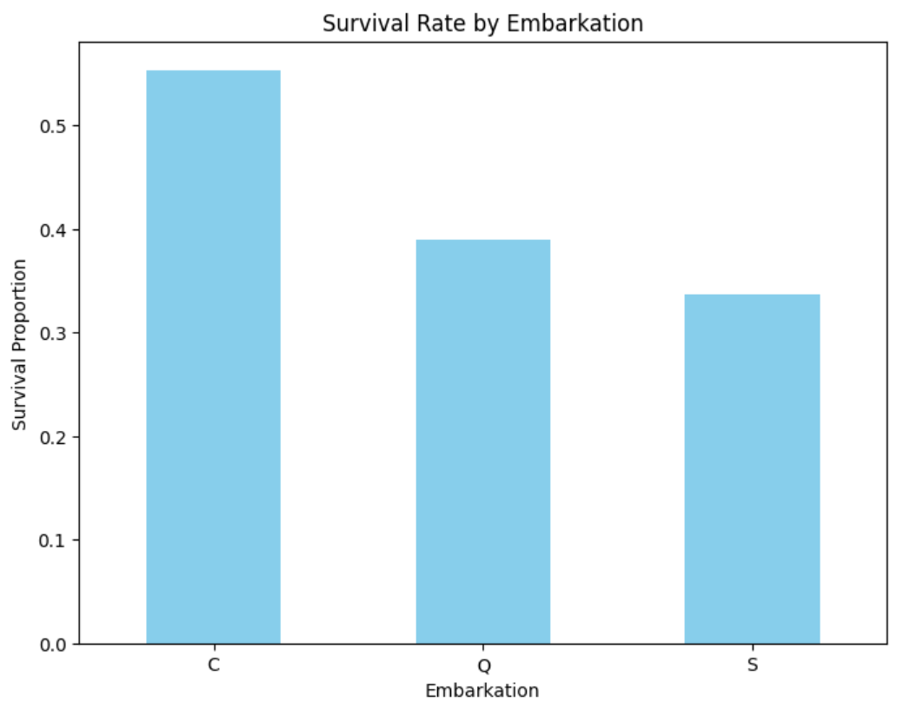
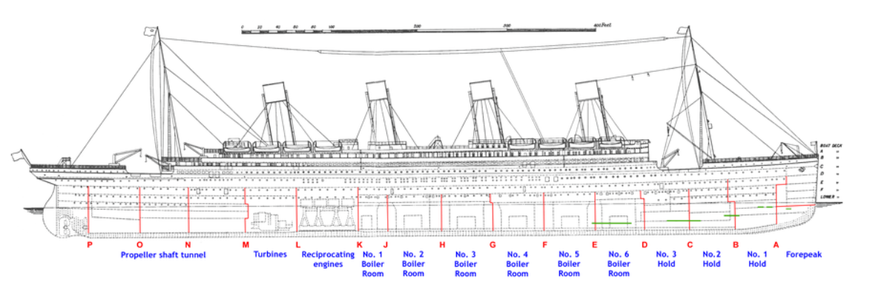

 |  |  | Source
 |  |  | https://www.wikiwand.com/en/articles/Sinking_of_the_Titanic

Preprocessing
1. Get rid of data
• Exacted the Cabin, PassengerId, Name and Ticket information,
because there is a weak link among these information and label.
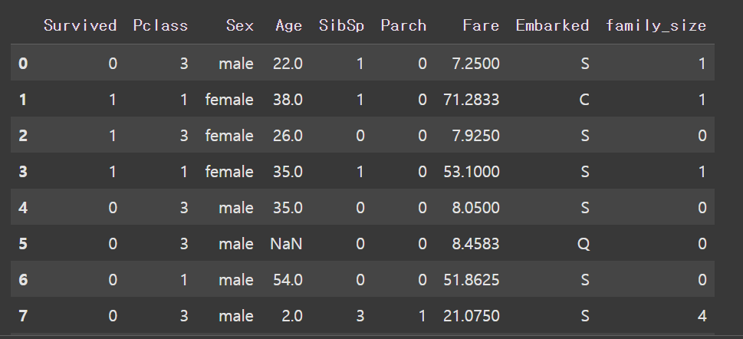

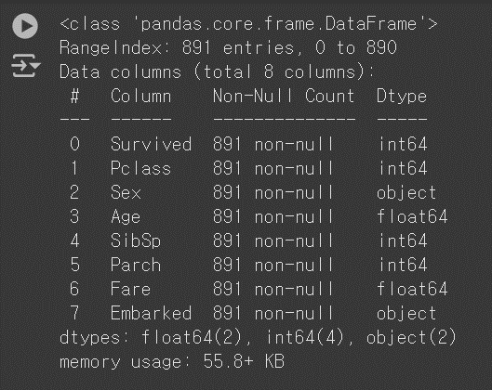

2. Data Cleaning
• Embarked
Replaced Embarked missing values with the most frequent values using SimpleImputer.

• Age
Filled Age missing values by iteratively estimating based on the two most correlated features
using IterativeImputer.

• Sex
Converted categorical Sex values to numerical values.
male | 1
female | 0

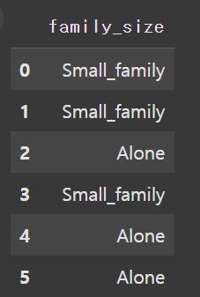
• Family Size
Defined family size using combination of SibSp and Parch

Family Size = SibSp + Parch
big family = family size > 3
small family = 0<family size<=3
alone = family size == 0

Then, the Sib and Parch data were deleted.

3. One Hot Encoding
Changed categorical attributes ("Pclass", "Embarked", "family_size") to numbers.

Data Standardization
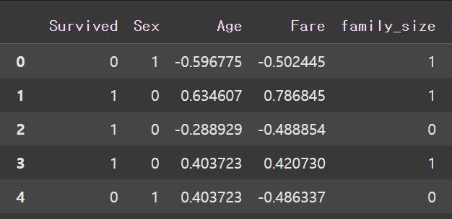
Data Standardization
• Standardized the Age and Fare data using StandardScaler,
setting the mean to 0 and the standard deviation to 1.

Dimensionality Reduction
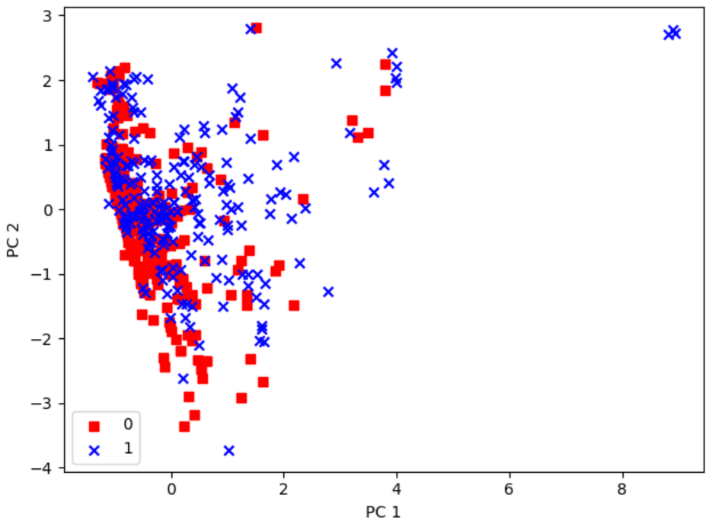
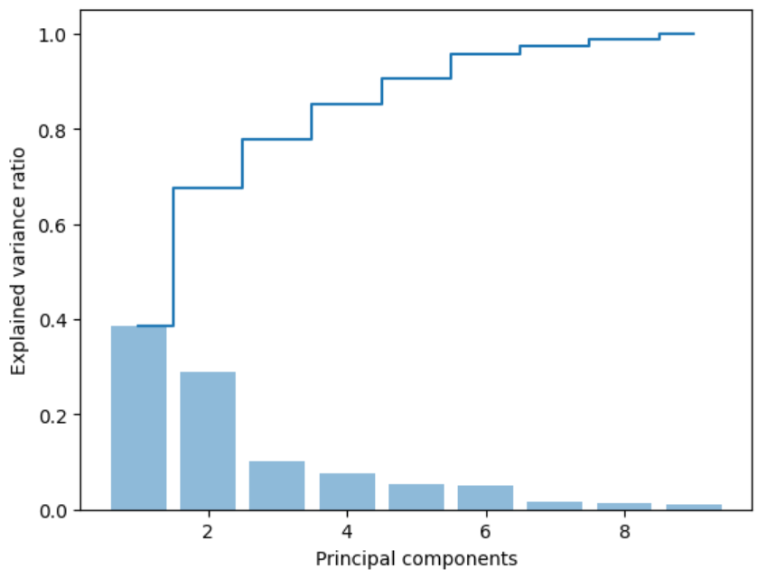
1. PCA
• Principal Component Analysis (PCA) is the dimensionality reduction algorithm
that identifies the hyperplane that lies closest to the data,
and then projects the data on to it.

2. Explained Variance Ratio
• Explained Variance Ratio indicates the proportion of the dataset’s variance
that lies along the axis of each principal component.

array
0.38640677 | 0.28963234 | 0.10134835 | 0.05429274
0.05079031 | 0.01673337 | 0.0140057 | 0.01185613

38% of the dataset’s variance lies along the first to axis,
29% lies along the second axis,
and 10% lies along the third axis.
As a result, 78% of the variance can be explained by three axes.

Cross Validation & GridSearch
1. Grid Search
Used GridSeachCV to find the optimal number of clusters.

param_range
0.001 | 0.01 | 0.1 | 1 | 10 | 100

best parameters |  |  | best score
svc__C | 10 |  | 0.80893497184
svc__gamma | 0.01
svc__kernel | rbf |  | Test accuracy
 |  |  | 0.817

2. Cross Validation

• Leaning curves |  |  |  |  |  |  |  | • Regulation parameter C
Plots of the model’s performance on the training set |  |  |  |  |  |  |  | Plots of the model’s performance by the C parameter in LogisticRegression.
and the validation set as a function of the training set size.
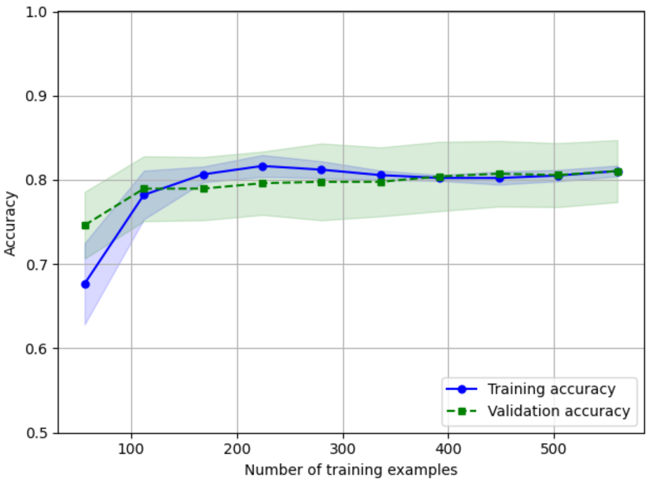
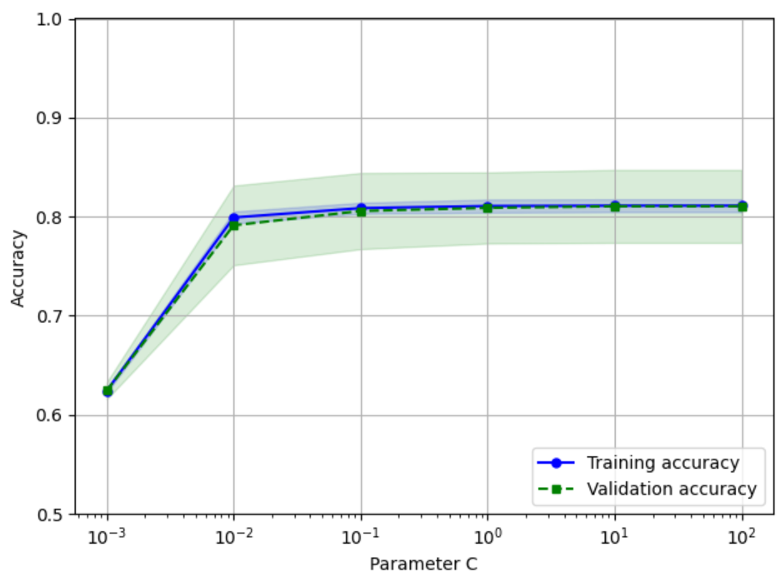

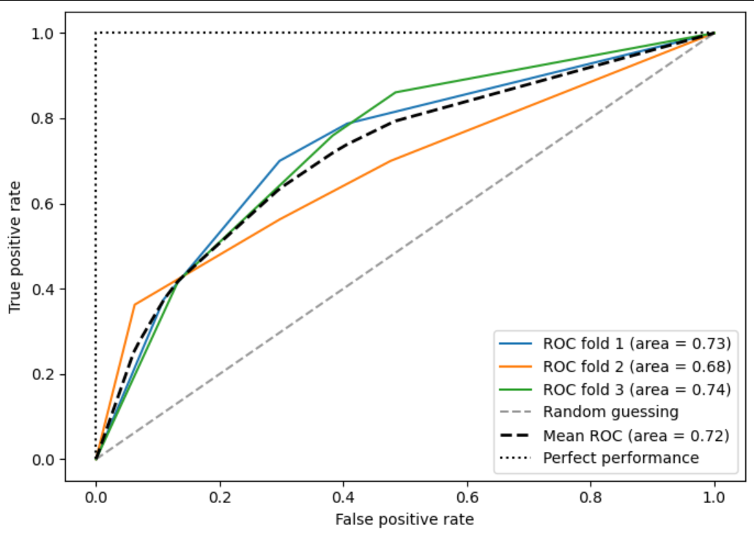
• K-fold cross-validation |  |  |  |  |  |  |  | • ROC Curve
Randomly splits the training set into k distinct subsets called folds,
then it trains and evaluates the Decision Tree model k times
picking a different fold for evaluation every time and training on the other k-1 folds

Algorithm | DecisionTreeClassifier
max_depth
1 | 2 | 3 | 4 | 5 | 6 | 7 | None

 | Mean | Std
CV Accuracy | 0.817 | 0.01

Ensemble
1. Voting Classifiers
• Aggregate the predictions of classifiers and predict the class that gets the most votes.

• Somewhat surprisingly, this voting classifier often achieves a higher accuracy
than the best classifier in the ensemble.
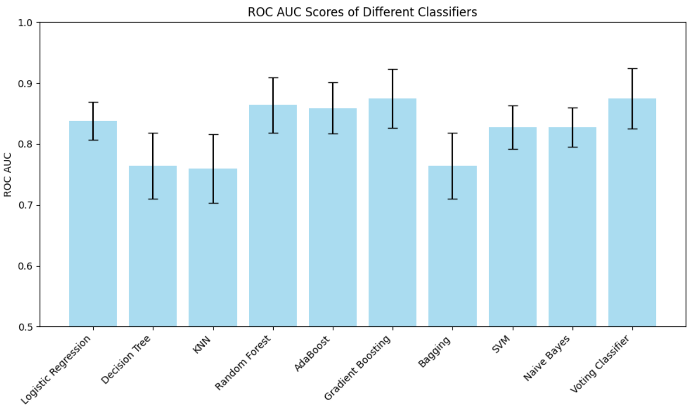
• 10-Cross Validation
 | ROC AUC
 | Mean | Std
Logistic regression | 0.84 | 0.03
Decision tree | 0.76 | 0.05
KNN | 0.76 | 0.06
Random Forest | 0.86 | 0.05
Gradient Boosting | 0.87 | 0.05
SVM | 0.83 | 0.04
Naive Bayes | 0.83 | 0.03
Bagging | 0.76 | 0.05
Adaboost | 0.86 | 0.04
VotingClassifier | 0.88 | 0.05

